Sheet1
 |  | Document No. |  | Issue No. | Issue Date |  |  | Review and Replace Date |  | Authorised By
 |  | GFF191MC |  | 2 | 11.09.2020 |  |  | 09.06.2021
 |  | Document Title |  | Hot & Spicy Prawn Goan Curry W/Pilau Rice 400G
 |  |  |  |  |  |  |  |  |  | Magda Shah
Document amendments reason for change |  | Shelf life reduced and applied from cooking day |  | Page 1 of 1 |  | Previous Issue Date |  |  | 11.09.2020 | Uncontrolled copy unless signed original

CPGOCR-R4TEB | BOOTHS |  |  | Hot & Spicy Prawn Goan Curry W/Pilau Rice 400G
STEP 1 |  |  |  | STEP 2 |  |  |  |  | STEP 3
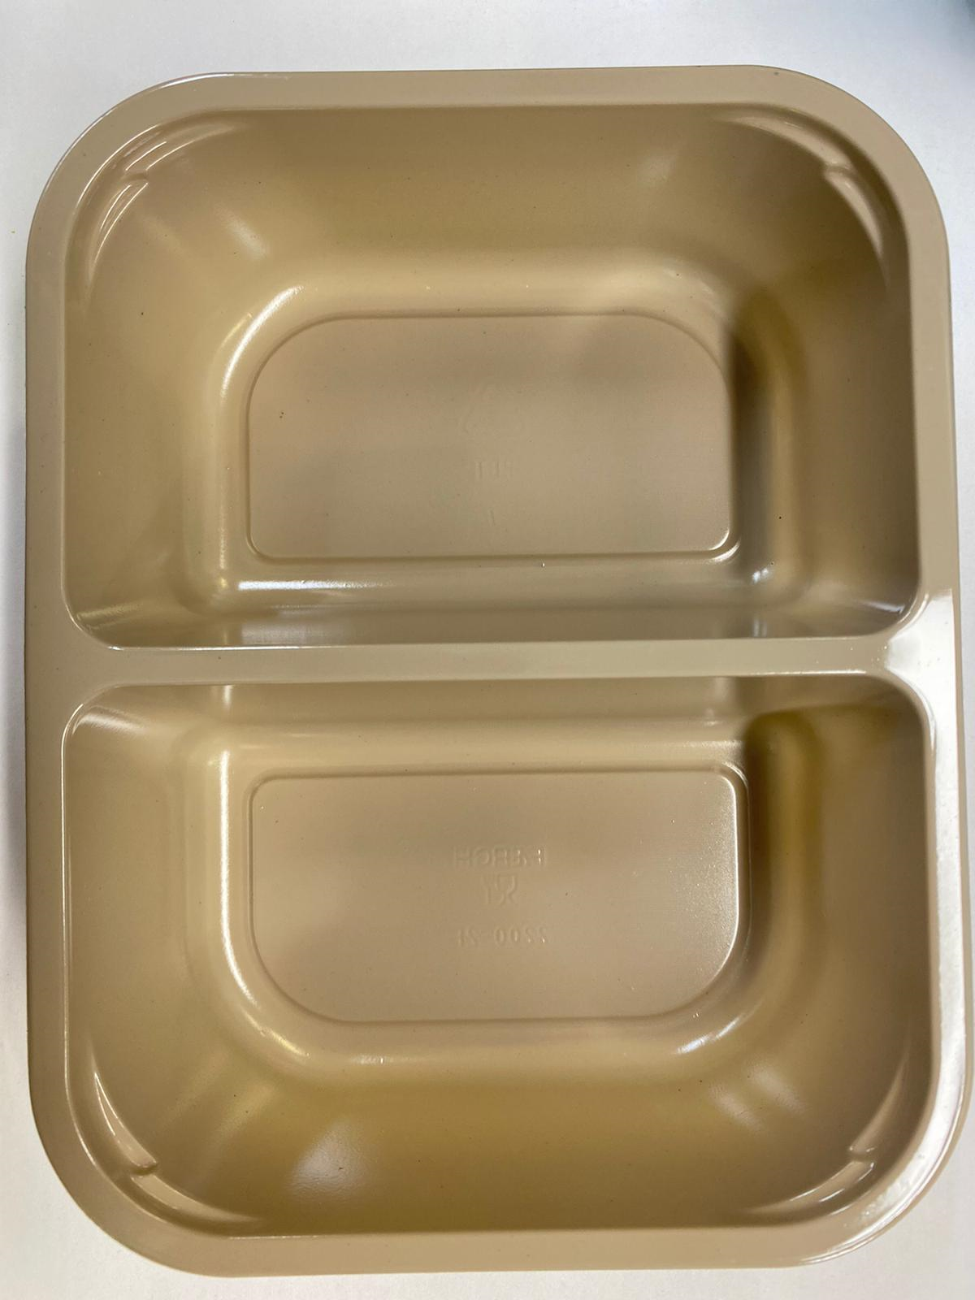 |  |  |  | 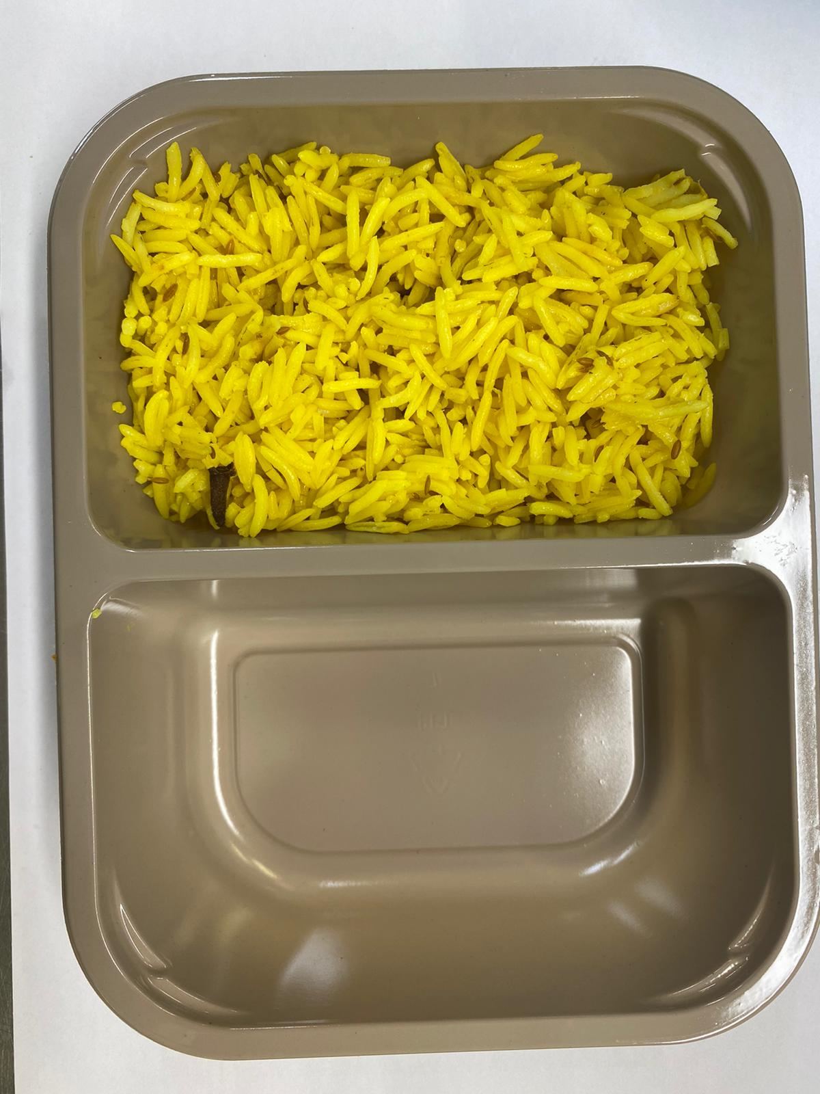 |  |  |  |  | 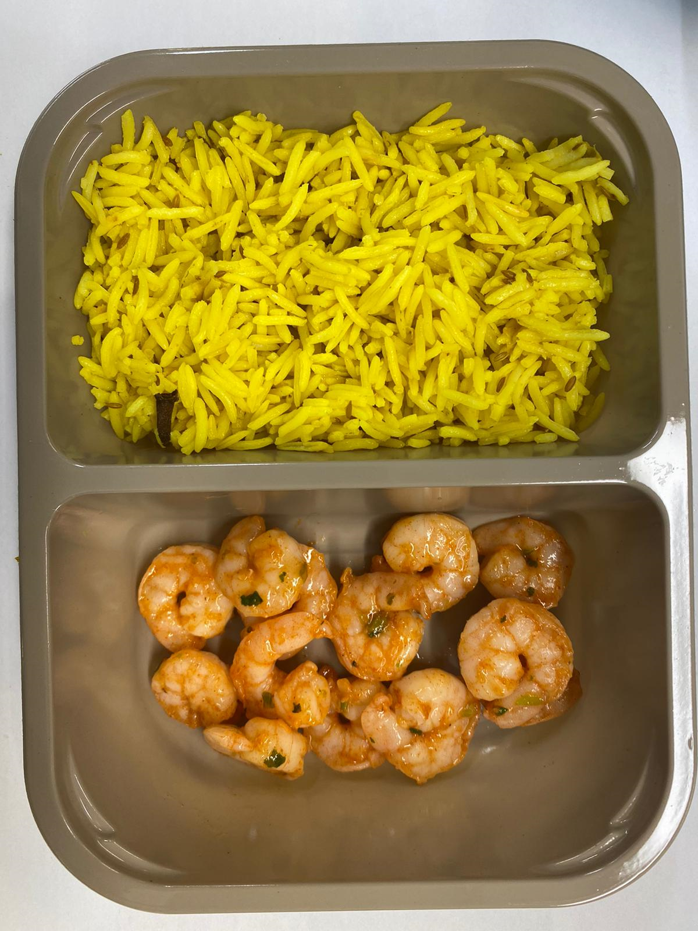

Tray: Evolve CPET 2200 -2F (PKRHP001-10) |  |  |  | Pilau Rice (GFF143R): 170g |  |  |  |  | Marinated Cooked King Prawn R1 (GFF202R): 60g
Line 1: Mylar 250LAF 250mm x 1000 (PKWRA001-08)
Line 1: K-Peel 75G + AF 25 250mm (PKKMP001-01)
Line 2: Mylar 25OLAF - 380mm wide (PKWRA001-02)
STEP 3 |  |  | STEP 4 |  |  |  | STEP 5
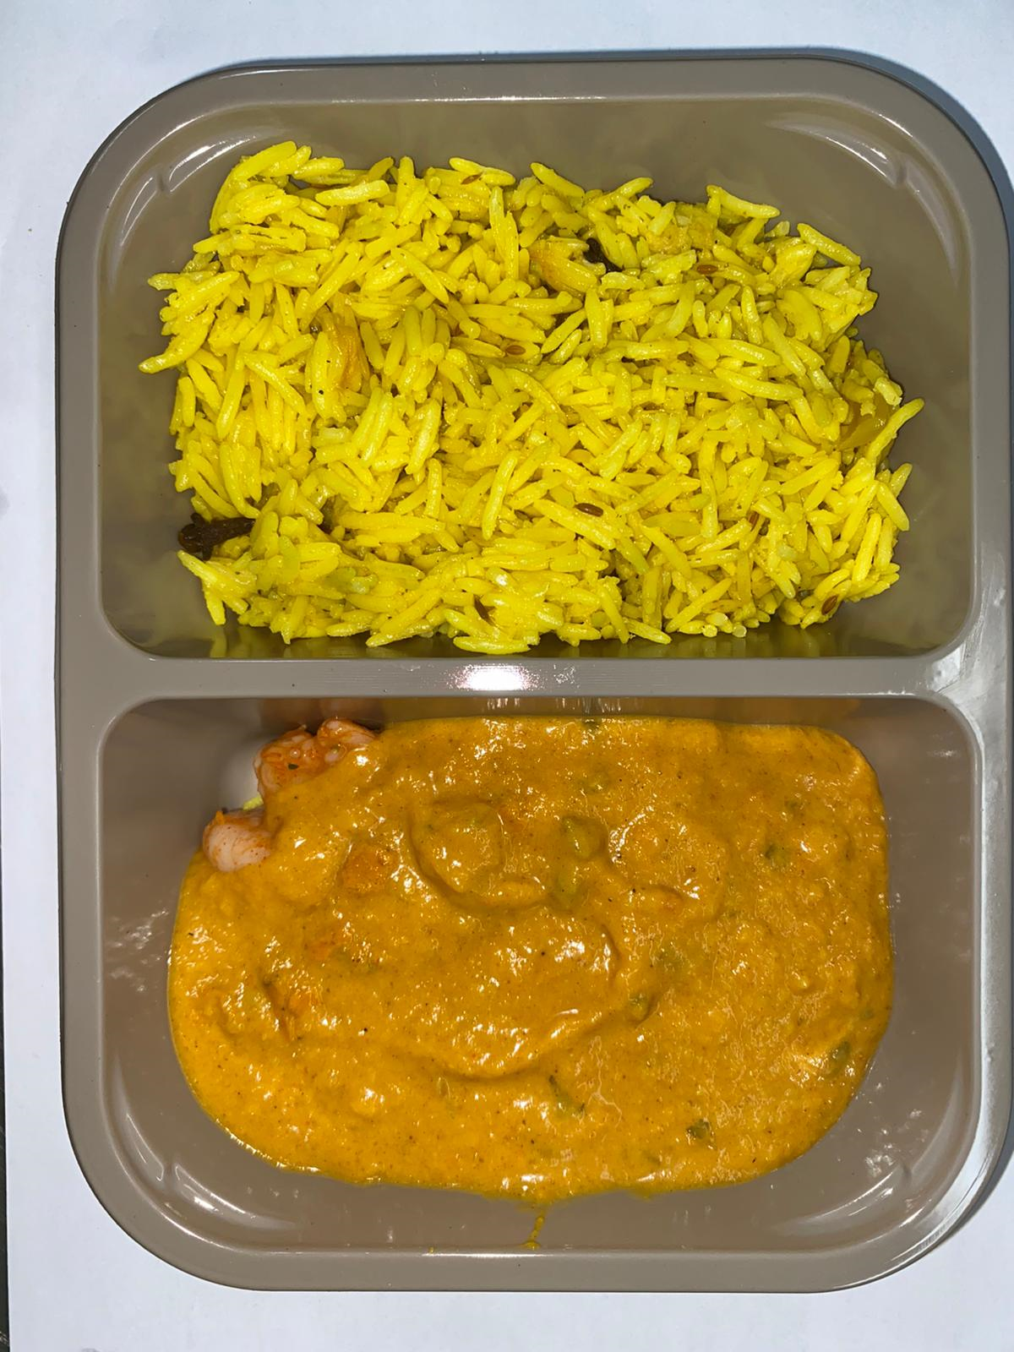 |  |  | 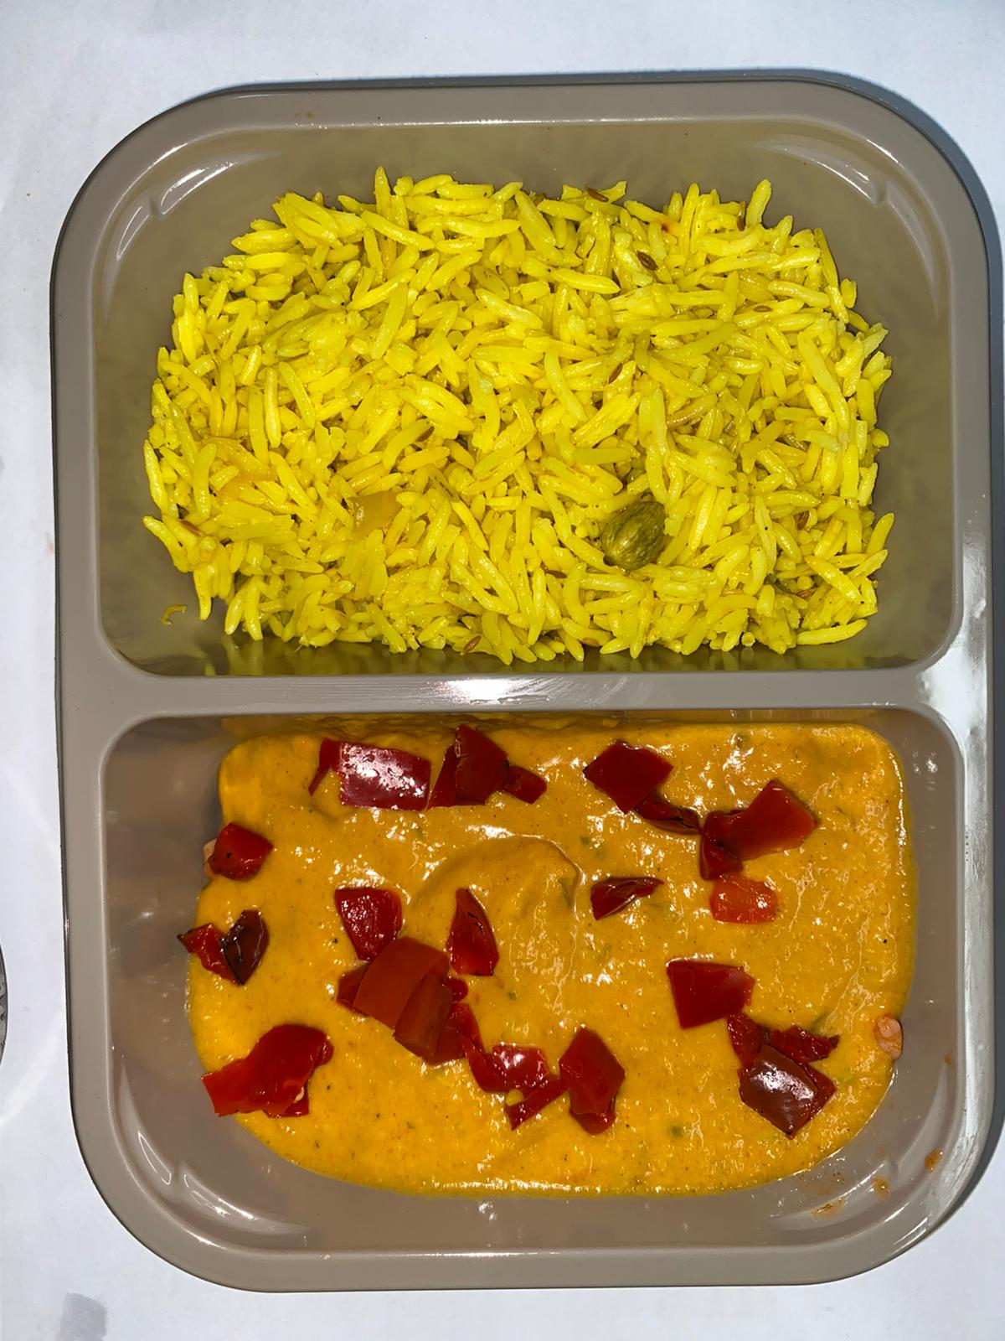 |  |  |  | 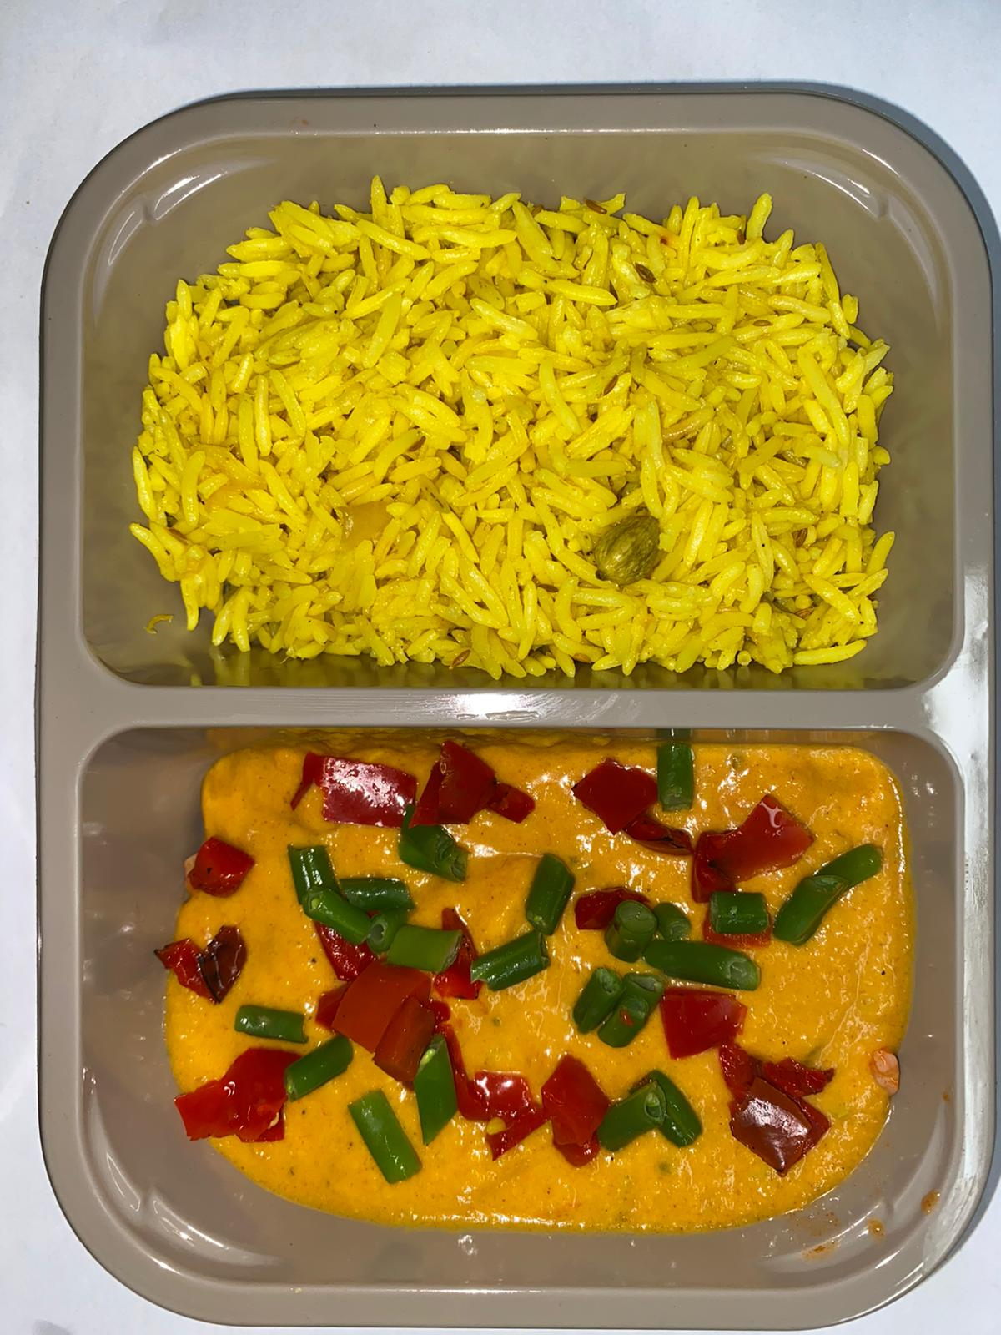 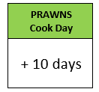

Pack within 2 days from cooking prawns

Goan Sauce (GFF201R): 160g |  |  | Grilled Roasted Red Peppers Diced 10MM (RMBOW001-03): 5g |  |  |  | Steamed Green Beans (RMIHF001-40): 5g |  |  | TOTAL WEIGHT: 400g

ALLERGY ALERT: BARLEY, CRUSTACEAN

